Traffic Data
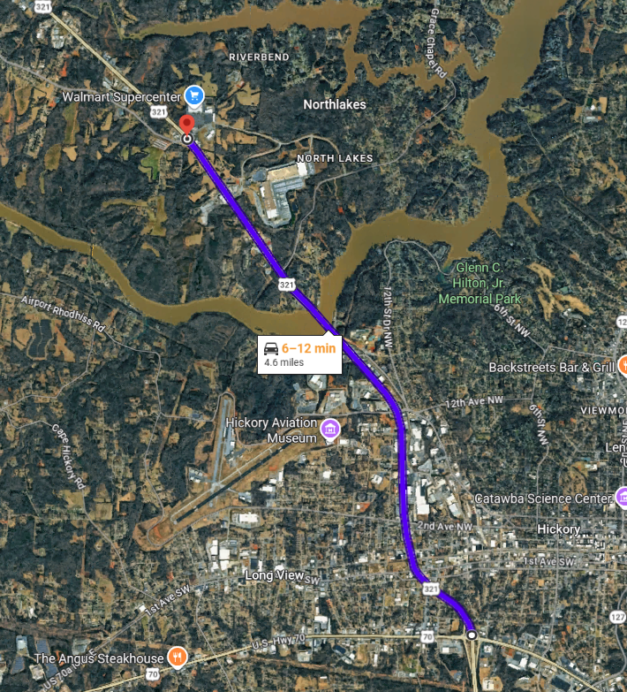
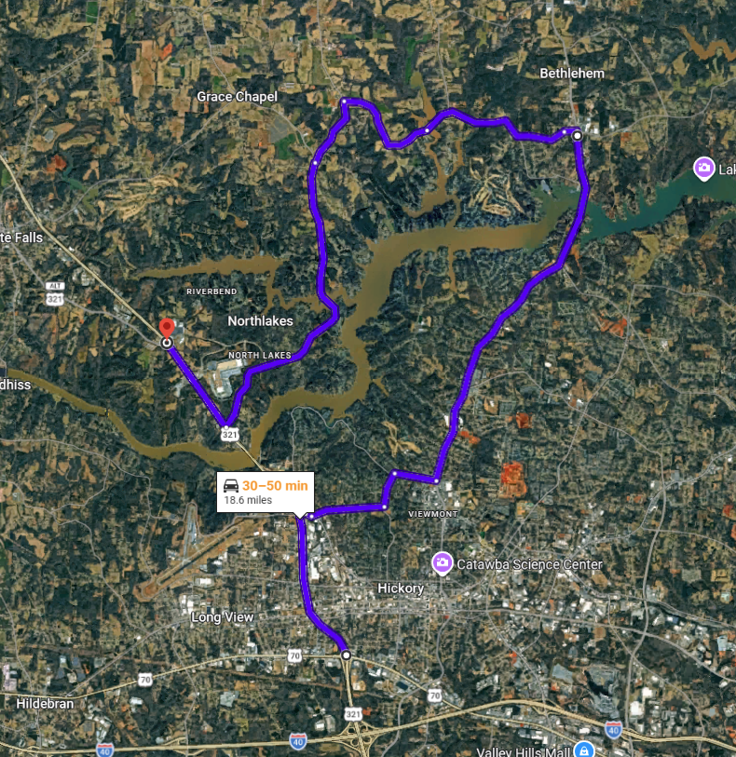
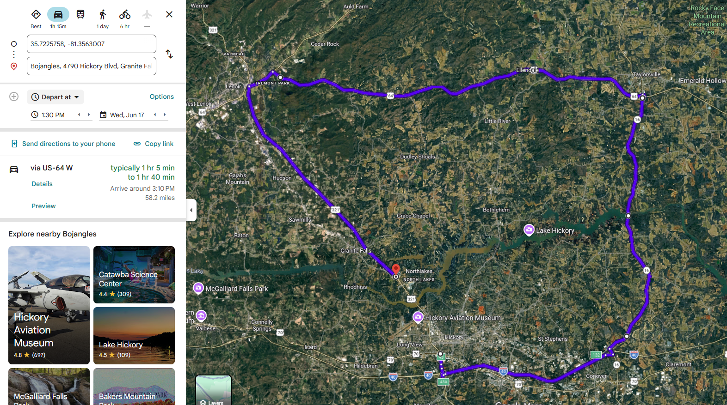
US 321 Traffic Data
 |  |  | Existing Route |  |  |  |  |  |  |  | Passenger Vehicle Detour |  |  |  |  |  |  | Heavy Vehicle Detour
US 70 to US 321 A | Length (mi) | Drive Time (min)
via US 321 | 4.8 | 9.0
Detour Route (Passenger Vehicle) | 18.6 | 40.0
∆ | -13.8 | -31.0
Detour Route (Heavy Vehicle) | 58.2 | 80.0
∆ | -53.4 | -71.0
Source: Google Maps

Truck Percentage | 5% | Source: NCDOT TCDS
Base Year | 2019
Future Year | 2050
No-Build CAGR | 0.83%
Build CAGR | 1.56%

USDOT Guidance
Walking Speed | Cycling Speed
3.2 | 9.8

Vehicle Travel Time Savings (RCI)
1.5 | min/veh

20.83% | Decrease

Freight
Baseline (2015) | 91.6 | million tons of freight
Value | $103 | billion
Projected (2045) | 117.1 | million tons of freight |  |  |  |  |  |  | TransCAD Outputs
Value | $167.3 | billion |  | TCDS |  |  |  |  | BYNB |  |  | FYNB |  |  | FYB
Source: NC Strategic Transportation Corridors: Vision Plan |  |  | Segment | Truck % | 2022 AADT | 2023 AADT | 2024 AADT | 2025 AADT | Flow Daily | VMT Daily | VHT Daily | Flow Daily | VMT Daily | VHT Daily | Flow Daily | VMT Daily | VHT Daily
 |  |  | 1 |  |  |  |  |  | 36170 | 19148 | 349 | 46876 | 24818 | 465 | 52124 | 27590 | 529
Freight Calculations |  |  | 2 | 5% | 37568 | 38374 | 38297 | 38151 | 47650 | 14918 | 281 | 60172 | 18831 | 376 | 68876 | 21562 | 405
Tonnage CAGR | 0.82% |  | 3 |  |  |  |  |  | 42765 | 4347 | 133 | 53242 | 5412 | 215 | 74785 | 7601 | 145
Value CAGR | 1.63% |  | 4 |  |  |  |  |  | 44856 | 14021 | 448 | 55280 | 17279 | 727 | 79266 | 24776 | 480
2026 Baseline | 100.2 | million tons of freight | 5 | 5% | 38029 | 38361 | 38284 | 37809 | 42743 | 6944 | 212 | 53092 | 8625 | 333 | 77410 | 12575 | 242
Value | $123.0 | billion | 6 | 5% | 35936 | 36634 | 36561 | 38422 | 40787 | 9104 | 269 | 49561 | 11062 | 382 | 72384 | 16156 | 307
2040 Projected | 112.4 | million tons of freight | 7 |  |  |  |  |  | 38977 | 9943 | 286 | 49964 | 12746 | 450 | 69295 | 17678 | 333
 | $154.3 | billion | 8 |  |  |  |  |  | 37534 | 7427 | 210 | 48120 | 9522 | 322 | 66370 | 13134 | 246
 |  |  | 9 | 5% | 33049 | 35681 | 34612 | 36217 | 39736 | 7104 | 212 | 49763 | 8897 | 316 | 65504 | 11711 | 219
 |  |  | 10 |  |  |  |  |  | 45601 | 9097 | 316 | 56902 | 11351 | 560 | 75580 | 15078 | 294
 |  |  | 11 | 5% | 39923 | 40137 | 40057 | 40257 | 44171 | 14863 | 488 | 55069 | 18531 | 864 | 73505 | 24734 | 478
 |  |  | 12 | 5% | 43551 | 41649 | 42607 | 42744 | 49721 | 18543 | 517 | 66561 | 24823 | 1136 | 74117 | 27641 | 535
 |  |  | 13 |  |  |  |  |  | 49721 | 12718 | 260 | 66561 | 17025 | 510 | 74117 | 18957 | 366
 |  |  | 14 |  |  |  |  |  | 49721 | 11430 | 234 | 66561 | 15301 | 459 | 74117 | 17038 | 329
 |  |  | 15 | 5% | 36297 | 26188 | 36839 | 38197 | 44606 | 17690 | 341 | 61349 | 24330 | 592 | 67827 | 26899 | 505
 |  |  | 16 |  |  |  |  |  | 44340 | 12691 | 244 | 61073 | 17481 | 422 | 67539 | 19331 | 362
 |  |  | 17 |  |  |  |  |  | 44340 | 25483 | 491 | 61073 | 35099 | 847 | 67539 | 38816 | 727
 |  |  | US 321 | 5% |  |  |  |  | 43732 | 215471 | 5291 | 56542 | 281133 | 8976 | 70609 | 341277 | 6502

